unfrozen all_epoch10
◎ Unimodal dataset 4 batchs, epoch 10

 | Models | Metrics | Precision | Recall | F1-Score | BCE loss | Support | Confusion Matrix |  |  |  | LLM not using video source
 |  |  |  |  |  |  |  |  |  | Predicted Label |  | “We do not condition the LLM on video‑source metadata in the primary evaluation to avoid shortcut learning and label leakage. This preserves content‑only validity and deployment realism; we instead provide per‑source stratified metrics and a small ablation that mentions source with an explicit instruction not to rely on it.”
 |  |  |  |  |  |  |  |  |  | Non-V | Violent
 | ResNet50 + GRU | Non-Violent | 0.7714 | 0.7377 | 0.7542 | 1.2026 | 183 | True Label | Non violent | 135 | 48
 |  | Violent | 0.6821 | 0.7203 | 0.7007 |  | 143
 |  | Macro avg | 0.7268 | 0.7290 | 0.7274 |  | 326 |  | Violent | 40 | 103
 |  | Weighted avg | 0.7323 | 0.7301 | 0.7307 |  | 326
 | Swin Transformer | Non-Violent | 0.7178 | 0.7923 | 0.7532 | 0.9992 | 183 | True Label | Non violent | 145 | 38
 |  | Violent | 0.6935 | 0.6014 | 0.6442 |  | 143
 |  | Macro avg | 0.7057 | 0.6969 | 0.6987 |  | 326 |  | Violent | 57 | 86
 |  | Weighted avg | 0.7072 | 0.7086 | 0.7054 |  | 326
 | Swin + GRU | Non-Violent | 0.7533 | 0.6175 | 0.6787 | 1.2055 | 183 | True Label | Non violent | 113 | 70
 |  | Violent | 0.6023 | 0.7413 | 0.6646 |  | 143
 |  | Macro avg | 0.6778 | 0.6794 | 0.6716 |  | 326 |  | Violent | 37 | 106
 |  | Weighted avg | 0.6871 | 0.6718 | 0.6725 |  | 326
 | CUE-NET | Non-Violent | 0.7143 | 0.8197 | 0.7634 | 0.6247 | 183 | True Label | Non violent | 150 | 33 |  |  | Batch size | Grad accum steps | Epochs | Max_frames | Early stopping patience | Use weighted loss | Patience
 |  | Violent | 0.7155 | 0.5804 | 0.6409 |  | 143 |  |  |  |  |  | ResNet50 + GRU | 4 | 4 | 20 | 80 | 4
 |  | Macro avg | 0.7149 | 0.7000 | 0.7021 |  | 326 |  | Violent | 60 | 83 |  | Swin | 4 | - | 10 | 80 |  | TRUE
 |  | Weighted avg | 0.7148 | 0.7147 | 0.7097 |  | 326 |  |  |  |  |  | Swin+GRU | 4 | - | 10 | 80 |  | TRUE | 4
 | LLM(ChatGPT-4o) | Non-Violent | 0.7000 | 0.8500 | 0.7000 | - | 183 | True Label | Non violent | 155 | 27 |  | CUE-NET | 4 | 4 | 10 | 80 | 4
 |  | Violent | 0.7400 | 0.5400 | 0.6200 |  | 143
 |  | Macro avg | 0.7200 | 0.6900 | 0.6900 |  | 326 |  | Violent | 66 | 76
 |  | Weighted avg | 0.7200 | 0.7100 | 0.7000 |  | 326

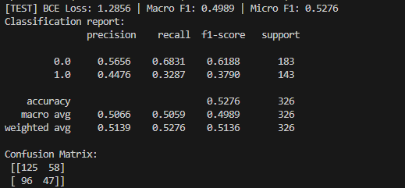
◎ Unimodal dataset (Video source types)
 | Models | Metrics | Precision | Recall | F1-Score | BCE loss | Support | Confusion Matrix
 |  |  |  |  |  |  |  |  |  | Predicted Label
 |  |  |  |  |  |  |  |  |  | Non-V | Violent
 | ResNet50 + GRU | Non-Violent | 0.5656 | 0.6831 | 0.6188 |  | 183 | True Label | Non violent | 125 | 58
 |  | Violent | 0.4476 | 0.3287 | 0.3790 |  | 143
 |  | Macro avg | 0.5066 | 0.5059 | 0.4989 |  | 326 |  | Violent | 96 | 47
 |  | Weighted avg | 0.5139 | 0.5276 | 0.5136 |  | 326
 | Swin Transformer | Non-Violent |  |  |  |  | 183 | True Label | Non violent | 104 | 79
 |  | Violent |  |  |  |  | 143
 |  | Macro avg |  |  |  |  | 326 |  | Violent | 78 | 65
 |  | Weighted avg |  |  |  |  | 326
 | Swin + GRU | Non-Violent |  |  |  |  | 183 | True Label | Non violent | 98 | 85
 |  | Violent |  |  |  |  | 143
 |  | Macro avg |  |  |  |  | 326 |  | Violent | 75 | 68
 |  | Weighted avg |  |  |  |  | 326
 | CUE-NET | Non-Violent |  |  |  |  | 183 | True Label | Non violent | 104 | 79
 |  | Violent |  |  |  |  | 143
 |  | Macro avg |  |  |  |  | 326 |  | Violent | 85 | 58
 |  | Weighted avg |  |  |  |  | 326

unfrozen all_epoch10_random_see
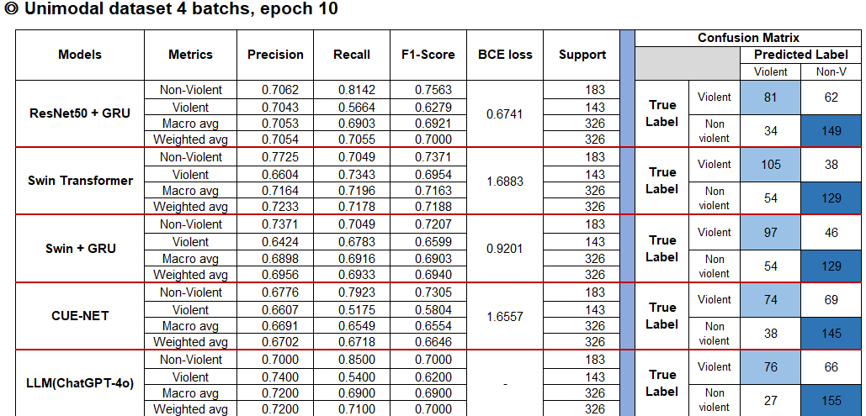
◎ Unimodal dataset 4 batchs, epoch 10

 | Models | Metrics | Precision | Recall | F1-Score | BCE loss | Support | Confusion Matrix |  |  |  | LLM not using video source
 |  |  |  |  |  |  |  |  |  | Predicted Label |  | “We do not condition the LLM on video‑source metadata in the primary evaluation to avoid shortcut learning and label leakage. This preserves content‑only validity and deployment realism; we instead provide per‑source stratified metrics and a small ablation that mentions source with an explicit instruction not to rely on it.”
 |  |  |  |  |  |  |  |  |  | Violent | Non-V
 | ResNet50 + GRU | Non-Violent | 0.7062 | 0.8142 | 0.7563 | 0.6741 | 183 | True Label | Violent | 81 | 62
 |  | Violent | 0.7043 | 0.5664 | 0.6279 |  | 143
 |  | Macro avg | 0.7053 | 0.6903 | 0.6921 |  | 326 |  | Non violent | 34 | 149
 |  | Weighted avg | 0.7054 | 0.7055 | 0.7000 |  | 326
 | Swin Transformer | Non-Violent | 0.7725 | 0.7049 | 0.7371 | 1.6883 | 183 | True Label | Violent | 105 | 38
 |  | Violent | 0.6604 | 0.7343 | 0.6954 |  | 143
 |  | Macro avg | 0.7164 | 0.7196 | 0.7163 |  | 326 |  | Non violent | 54 | 129
 |  | Weighted avg | 0.7233 | 0.7178 | 0.7188 |  | 326
 | Swin + GRU | Non-Violent | 0.7371 | 0.7049 | 0.7207 | 0.9201 | 183 | True Label | Violent | 97 | 46
 |  | Violent | 0.6424 | 0.6783 | 0.6599 |  | 143
 |  | Macro avg | 0.6898 | 0.6916 | 0.6903 |  | 326 |  | Non violent | 54 | 129
 |  | Weighted avg | 0.6956 | 0.6933 | 0.6940 |  | 326
 | CUE-NET | Non-Violent | 0.6776 | 0.7923 | 0.7305 | 1.6557 | 183 | True Label | Violent | 74 | 69 |  |  | Batch size | Grad accum steps | Epochs | Max_frames | Early stopping patience | Use weighted loss | Patience
 |  | Violent | 0.6607 | 0.5175 | 0.5804 |  | 143 |  |  |  |  |  | ResNet50 + GRU | 4 | 4 | 20 | 80 | 4
 |  | Macro avg | 0.6691 | 0.6549 | 0.6554 |  | 326 |  | Non violent | 38 | 145 |  | Swin | 4 | - | 10 | 80 |  | TRUE
 |  | Weighted avg | 0.6702 | 0.6718 | 0.6646 |  | 326 |  |  |  |  |  | Swin+GRU | 4 | - | 10 | 80 |  | TRUE | 4
 | LLM(ChatGPT-4o) | Non-Violent | 0.7000 | 0.8500 | 0.7000 | - | 183 | True Label | Violent | 76 | 66 |  | CUE-NET | 4 | 4 | 10 | 80 | 4
 |  | Violent | 0.7400 | 0.5400 | 0.6200 |  | 143
 |  | Macro avg | 0.7200 | 0.6900 | 0.6900 |  | 326 |  | Non violent | 27 | 155
 |  | Weighted avg | 0.7200 | 0.7100 | 0.7000 |  | 326

◎ Unimodal dataset (Video source)
 | Models | Metrics | Precision | Recall | F1-Score | BCE loss | Support | Confusion Matrix
 |  |  |  |  |  |  |  |  |  | Predicted Label
 |  |  |  |  |  |  |  |  |  | Violent | Non-V
 | ResNet50 + GRU | Non-Violent | 0.5544 | 0.5847 | 0.5691 | 1.9962 | 183 | True Label | Violent | 57 | 85
 |  | Violent | 0.4286 | 0.3986 | 0.4130 |  | 143
 |  | Macro avg | 0.4915 | 0.4917 | 0.4911 |  | 326 |  | Non violent | 76 | 107
 |  | Weighted avg | 0.4992 | 0.5031 | 0.5007 |  | 326
 | Swin Transformer | Non-Violent | 0.5926 | 0.3497 | 0.4399 | 0.8049 | 183 | True Label | Violent | 99 | 44
 |  | Violent | 0.4541 | 0.6923 | 0.5485 |  | 143
 |  | Macro avg | 0.5234 | 0.5210 | 0.4942 |  | 326 |  | Non violent | 119 | 64
 |  | Weighted avg | 0.5319 | 0.5000 | 0.4875 |  | 326
 | Swin + GRU | Non-Violent | 0.5631 | 0.3169 | 0.4056 | 0.8391 | 183 | True Label | Violent | 98 | 45
 |  | Violent | 0.4395 | 0.6853 | 0.5355 |  | 143
 |  | Macro avg | 0.5013 | 0.5011 | 0.4706 |  | 326 |  | Non violent | 125 | 58
 |  | Weighted avg | 0.5089 | 0.4785 | 0.4626 |  | 326
 | CUE-NET | Non-Violent | 0.5064 | 0.4317 | 0.4661 | 0.7994 | 183 | True Label | Violent | 66 | 77
 |  | Violent | 0.3882 | 0.4615 | 0.4217 |  | 143
 |  | Macro avg | 0.4473 | 0.4466 | 0.4439 |  | 326 |  | Non violent | 104 | 79
 |  | Weighted avg | 0.4546 | 0.4448 | 0.4466 |  | 326

